List 1
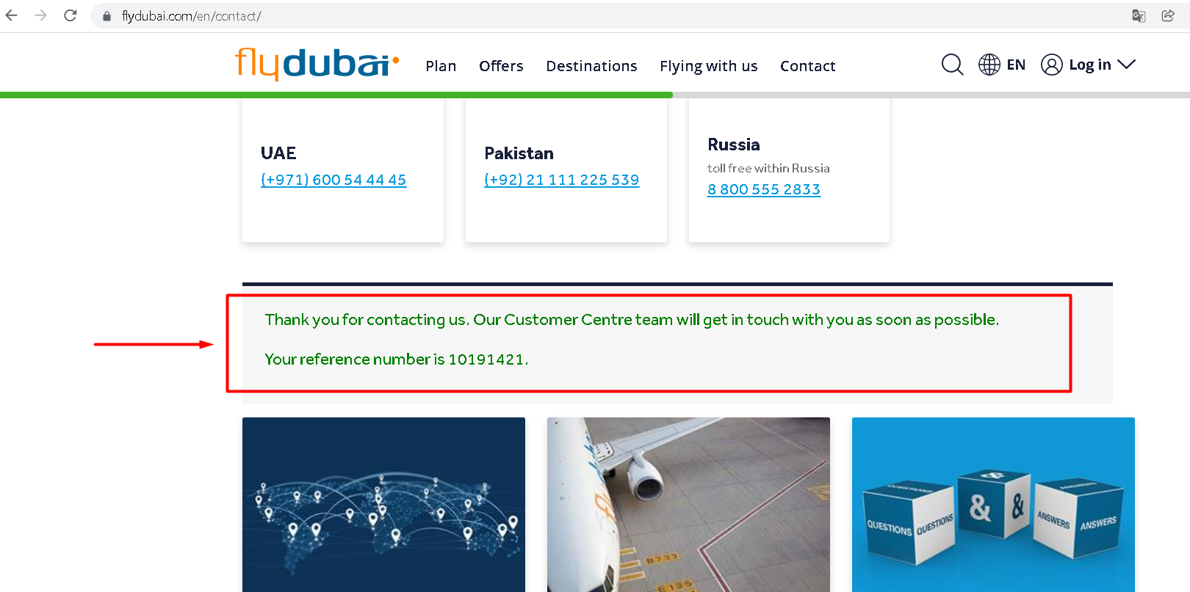
Summary: | User can contact "Flydubai" company using an invalid first name
Description: | When user goes to the "Flydubai" website, and fills in all the necessary fields in the contact form and clicks on the "submit" button ,the mesage will be sent successfully. The problem is that the first name field does not only accept letters, but also characters and numbers. This means that if user enters "12345+" in that field insted of his first name, the message will be successfully sent with an invalid first name.
Steps to reproduce: | Open Chrome browser
 | Go to the following URL: https://www.flydubai.com/en/
 | Click on "Contact" button at the top of the page
 | Click on "Title" field and select an option from dropdown list (Example: "Mr")
 | Click on "First name" field and input an invalid first name (Example:"12345+") and press enter
 | Click on "Last name" field and input an last name (Example: Smith) and press enter
 | Click on "Your email" field and input an email address (Example: 12345user@hotmail.com) and press enter
 | Click on "Subject" field and select an option from dropdown list (Example: Booking your flight)
 | Click on "Message" field and enter the message (Example: How can I book a flight from Belgrade to Dubai on December 14, 2021?)
 | Click on "Sumbit" button

Expected result: | User can't contact "Flydubai" company using an invalid first name
Actual result: | User has successfully sent a message to the company even though only numbers and character are entered in the first name field.
Priority: | Medium
Severity: | Low
Repro rate: | 10%
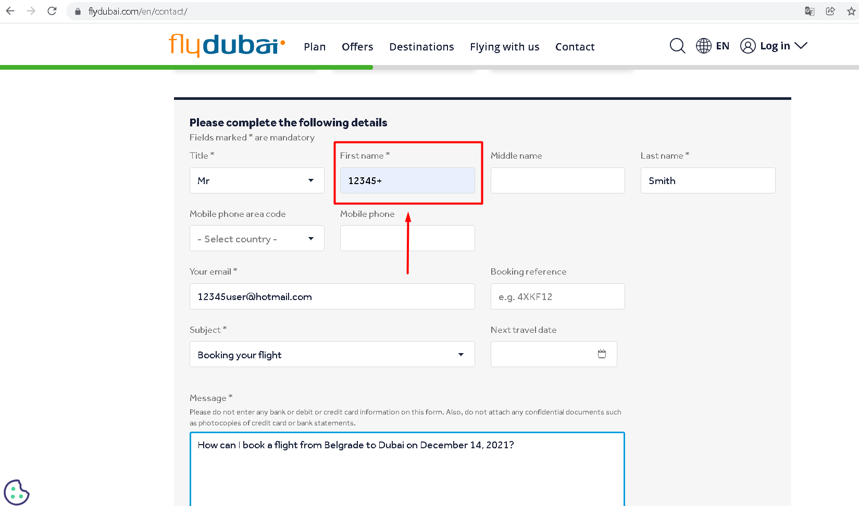
Screenshot:

